Indices

 | Iraq Stock Exchange
 | Bulletin No (220)

 | ISX Trading Indices of Monday 8/12/2025

 | Traded Volume and OTC |  | 398,469,062 |  | Traded Value and OTC |  | 553,506,714 |  | Traders | 817

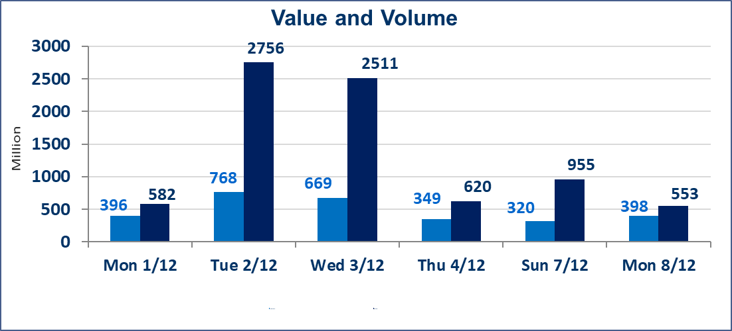
 | ISX Index 60 |  |  | 941.45 | ISX Index 15 |  |  | 1178.30
 | Previous ISX Index60 |  |  | 946.96 | Previous ISX Index15 |  |  | 1180.54
 | Change % |  |  | -0.58 | Change % |  |  | -0.19
 | Change |  |  | -5.51 | Change |  |  | -2.24

 | Listed Companies | 104 | OTC | 14 | Non Traded listed | 40 | OTC | 10
 | Traded Listed Companies | 50 | OTC | 2 | Higher Companies |  |  | 10
 | GAM Companies |  |  | 4 | Lower Companies |  |  | 22
 | Suspended Companies |  |  | 10
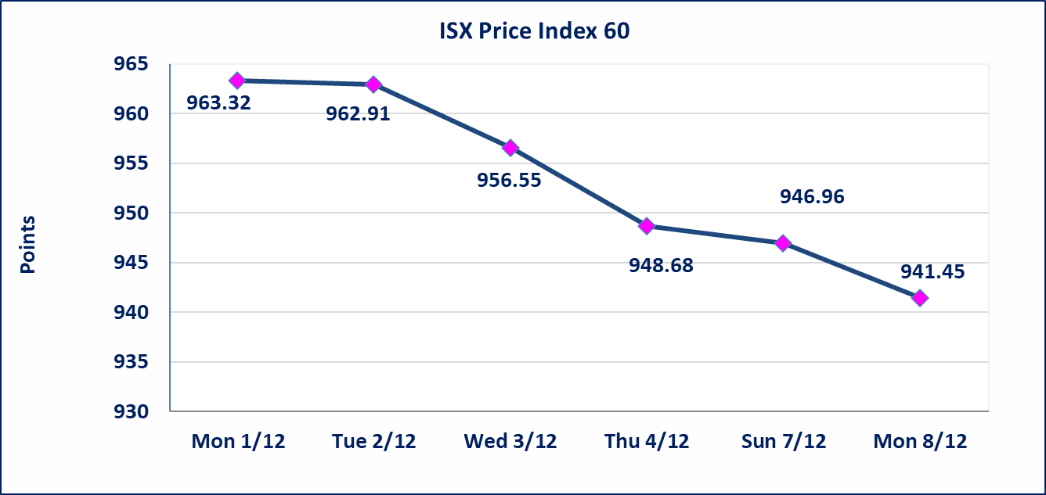
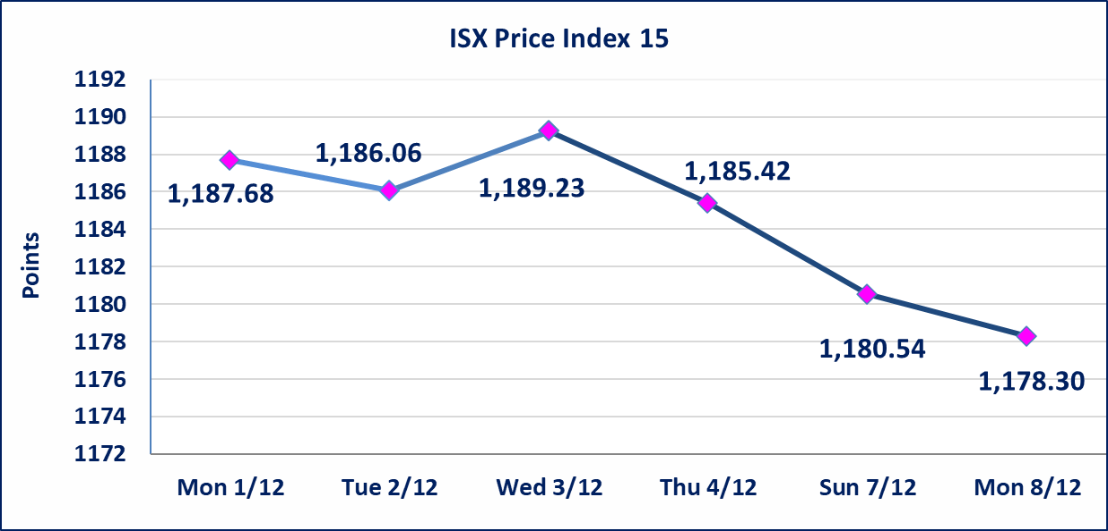

Al-Alwiya P.O . 3607 Mobile: 07711211522 - 07270094594 - 07834000034 E-mail: info-isx@isx-iq.net Web site:www.isx-iq.net

Top 5
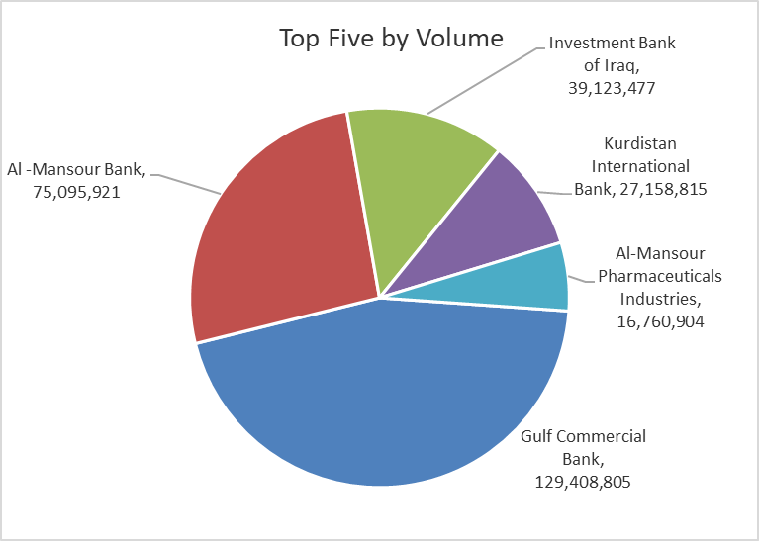
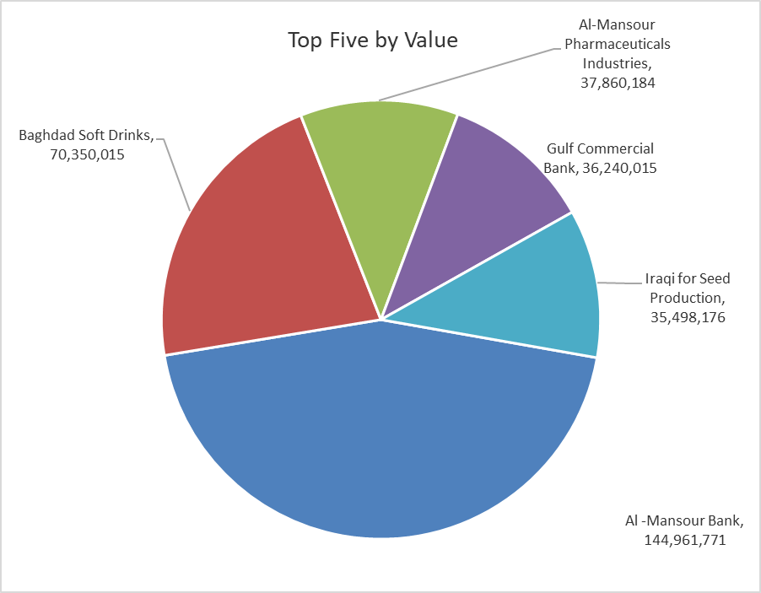
ISX top ganing and losing companies
Monday 8/12/2025
Gainers |  |  |  | Losers
Company Name | Closing Price | Change (%) | Traded Volume | Company Name | Closing Price | Change (%) | Traded Volume
Babil Animal & Vegetable Production | 10.500 | 11.70 | 976,410 | Gulf Insurance | 0.500 | -9.09 | 772,295
Metallic Industries and Bicycles | 2.100 | 10.53 | 907,633 | Al-Qabidh Islamic Bank | 0.100 | -9.09 | 2,000,000
Ready Made Clothes | 2.550 | 7.59 | 2,532,004 | Modern for Animal Production | 0.430 | -8.51 | 555,843
Investment Bank of Iraq | 0.220 | 4.76 | 39,123,477 | Iraqi Date Processing and Marketing | 2.330 | -6.80 | 222,141
Iraqi Engineering Works | 4.700 | 4.44 | 100,000 | Mosul Bank For Investment | 0.140 | -6.67 | 16,118,182

The most active companies in term of traded volume and value

Traded Volume |  |  |  | Traded Value
Company Name | Closing Price | Change (%) | Traded Volume | Company Name | Closing Price | Change (%) | Traded Value
Gulf Commercial Bank | 0.280 | -3.45 | 129,408,805 | Al -Mansour Bank | 1.930 | -1.03 | 144,961,771
Al -Mansour Bank | 1.930 | -1.03 | 75,095,921 | Baghdad Soft Drinks | 5.210 | -0.57 | 70,350,015
Investment Bank of Iraq | 0.220 | 4.76 | 39,123,477 | Al-Mansour Pharmaceuticals Industries | 2.260 | 0.00 | 37,860,184
Kurdistan International Bank | 1.100 | 0.00 | 27,158,815 | Gulf Commercial Bank | 0.280 | -3.45 | 36,240,015
Al-Mansour Pharmaceuticals Industries | 2.260 | 0.00 | 16,760,904 | Iraqi for Seed Production | 4.650 | 1.09 | 35,498,176

OTC

Iraq Stock Exchange

Monday 8/12/2025
OTC Platform Trading Bulletin No (220)
Company Name | Code | highest price | lowest price | Average price | No.of Trades | Traded Volume | Traded Value
Banks Sector
Al-Warka Bank | BWAI | 0.080 | 0.070 | 0.070 | 2 | 5,001,000 | 350,080
Total Of Banks Sector |  |  |  |  | 2 | 5,001,000 | 350,080
Industrial Sector
Kirkuk producing constructional materials | IKFP | 1.260 | 1.260 | 1.260 | 1 | 10,000 | 12,600
Total Of Industrial Sector |  |  |  |  | 1 | 10,000 | 12,600
Total |  |  |  |  | 3 | 5,011,000 | 362,680

Not Trading OTC Companies
Company Name |  |  | Code |  | Previous Average price
Banks Sector
Al-Sanam Islamic Bank |  |  | BSAN |  | 3.000
Hammurabi Commercial Bank |  |  | BHAM |  | ـــــــــــــــــــــــــــــــــــ
Money Service Sector
Rabee Securities |  |  | FRSE |  | 9.500
Karmal Brokerage |  |  | FKSX |  | 10.000
Ishtar Gate for e-Paymant |  |  | FISH |  | 1.000
Sama Baghdad Exchange |  |  | FSBE |  | ـــــــــــــــــــــــــــــــــــ
Iraqi Deposit Insurance Corporation |  |  | FIDI |  | ـــــــــــــــــــــــــــــــــــ
Insurance Sector
Al Badia Insurance |  |  | NBAD |  | ـــــــــــــــــــــــــــــــــــ
Shatt Al Arab Insurance |  |  | NSHA |  | 1.000
Dilina Insurance Company |  |  | NDIL |  | ـــــــــــــــــــــــــــــــــــ

Non Iraqis

Iraq Stock Exchange
Non Iraqis' Bulletin Monday Dec 8 2025
Regular Market

Non Iraqi Trading of Regular Market (Sell)
Company Names | Code | No.of trades | Traded Shares | Trading Volume
Banks Sector
Al-Mansour Bank | BMNS | 47 | 28,503,178 | 55,107,446
Total Bank sector |  | 47 | 28,503,178 | 55,107,446
Industry Sector
Metallic Industries and Bicycles Industries | IMIB | 7 | 895,267 | 1,617,197
Total Industry sector |  | 7 | 895,267 | 1,617,197
Grand Total |  | 54 | 29,398,445 | 56,724,642

Non Iraqi Trading of Undisclosed Platform (BUY)
Company Names | Code | No.of trades | Traded Shares | Trading Volume
Industry Sector
Al -HiLal Industries | IHLI | 1 | 100,000 | 176,000
Total Industry sector |  | 1 | 100,000 | 176,000
Grand Total |  | 1 | 100,000 | 176,000

Non Iraqi Trading of Undisclosed Platform (Sell)
Company Names | Code | No.of trades | Traded Shares | Trading Volume
Industry Sector
Al -HiLal Industries | IHLI | 3 | 1,100,000 | 1,971,000
Total Industry sector |  | 3 | 1,100,000 | 1,971,000
Grand Total |  | 3 | 1,100,000 | 1,971,000

